Sheet1
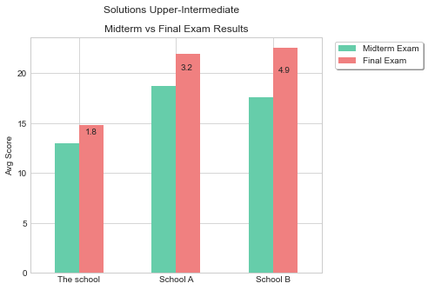
Other Schools | Midterm Exam | Final Exam
Compared to School A | -5.7 | -7.1
Compared to School B | -4.6 | -7.7

